Sheet2
DESCRIPTION | barcode | SIZE | QTY | import cost | IMAGE | similar selling products |  | TOTAL IMPORT £112,766
CRUSHED DIAMOND MIRRORED 6 DRAWER CABINET | 5060845213893 | 120x46x75 | 30 | £239.56 | 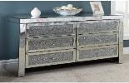 |  | HAMPSHIRE FURNITURE £559 | £7,186.80
CRUSHED DIAMOND MIRRORED 3 DRAWER CABINET | 5060845213909 | 81x46x75 | 30 | £156.15 | 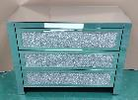 |  | LUSH INTERIORS £449 | £4,684.50
CRUSHED DIAMOND MIRROED 3 DRAWER BEDSIDE TABLE | 5060845213916 | 44x34x60 | 60 | £74.08 | 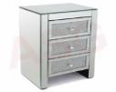 |  | LUSH INTERIORS £229 | £4,444.80
CRUSHED DIAMOND MIRRORED DRESSING TABLE MIRROR | 5060845213930 | 89x59x2 | 30 | £31.72 | 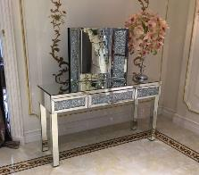 | 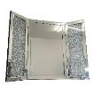 | THE FURNITURE MEGA STORE £149.99 | £951.60
CRUSHED DIAMOND MIRRORED DRESSING TABLE | 5060845213923 | 106x44x79 | 30 | £110.73 |  |  | WAYFAIR £329.99 | £3,321.90
PLAIN MIRROR | 5060845214128 | 100x100x3 | 30 | £69.82 |  |  | NEXT £150 | £2,094.60
CRUSHED DIAMOND MIRRORED COFFEE TABLE | 5060845213954 | 100x100x47 | 30 | £208.41 |  | 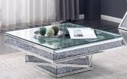 | OUTLET MIRRORS £609.50 | £6,252.30
CRUSHED DIAMOND MIRRORED 3 DRAWER 2 DOOR CABINET | 5060845213961 | 135x45x85 | 30 | £290.65 |  |  | OUTLET MIRRORS £698 | £8,719.50
CRUSHED DIAMOND MIRRORED CONSOLE | 5060845213992 | 120x36x80 | 30 | £155.78 |  | 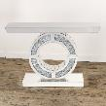 | WAYFAIR £569 | £4,673.40
Crushed Diamond mirrored nest of table | 5060845213985 | 45x30x60 35x30x50 30x30x40 | 30 | £122.33 | 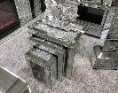 |  | WAYFAIR £379.99 | £3,669.90
CRUSHED DIAMOND MIRRORED DRESSING TABLE STOOL | 5060845213947 | 42x30x46 | 30 | £62.01 |  |  | EBAY £84.95 | £1,860.30
CRUSHED DIAMOND MIRRORED NEST SINGLE | 5060845213978 | 48x48x69 | 30 | £81.21 | 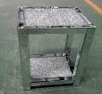 |  | HOMES DIRECT 365 £179.99 | £2,436.30
CRUSHED DIAMOND MIRROR | 5060845214005 | 97x97x11 | 30 | £62.91 |  |  | HOMES DIRECT 365 £224.99 | £1,887.30
PLAIN MIRRORED 6 DRAWER CABINET | 5060845214012 | 125x40x72.5 | 30 | £218.66 | 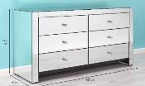 |  | CHOICE FURNITURE £329 | £6,559.80
PLAIN MIRRORED 3 DRAWER CABINET | 5060845214029 | 81x46x75 | 30 | £144.49 | 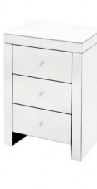 |  | HOMES DIRECT 365 £259.99 | £4,334.70
PLAIN MIRRORED 3 DRAWER BEDSIDE CARBINET | 5060845214036 | 45x35x66 | 60 | £75.12 | 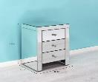 |  | HOMES DIRECT 365 £204 | £4,507.20
PLAIN MIRRORED 2 DRAWER DRESSING TABLE | 5060845214043 | 100x45x80 | 30 | £113.33 |  | 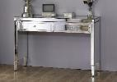 | FURNITURE VILLAGE £329 | £3,399.90
PLAIN MIRRORED DRESSING TABLE MIRROR | 5060845214050 | 78x1.3x50 | 30 | £29.45 |  | 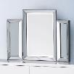 | DUNELM £59 | £883.50
PLAIN MIRRORED DRESSING TABLE STOOL | 5060845214067 | 42x30x46 | 30 | £42.25 |  | 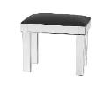 | WAYFAIR £109.99 | £1,267.50
PLAIN MIRRORED COFFEE TABLE | 5060845214074 | 90x70x36 | 30 | £149.31 |  | 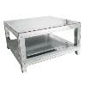 | HOMES DIRECT 365 £469.99 | £4,479.30
PLAIN MIRRORED 3 DRAWER 2 DOOR CABINET | 5060845214081 | 130x45x85 | 30 | £258.99 |  |  | EBAY £299.95 | £7,769.70
PLAIN MIRRORED NEST TABLE SINGLE | 5060845214098 | 50x50x60 | 30 | £57.23 |  |  | HOME DIRECT 365 £144.99 | £1,716.90
PLAIN MIRRORED NEST OF TABLE | 5060845214104 | 50X50X50 45X45X45 40X40X40 | 30 | £117.25 | 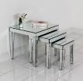 | 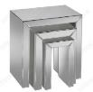 | FURNITURE DIRECT £222.30 | £3,517.50
PLAIN MIRROR GOLD | 5060845214159 | 90X90X3 | 30 | £80.04 |  |  | NEXT £240 | £2,401.20
PLAIN MIRRORED CONSOLE TABLE | 5060845214111 | 140X40X80 | 30 | £211.35 |  |  | n/a | £6,340.50
PLAIN MIRROR COPPER SAME STYPLE AS ABOVE | 5060845214135 | 100X100X3 | 30 | £69.82 |  |  | n/a | £2,094.60
PLAIN MIRROR SQUARE | 5060845214142 | 120X80X2 | 30 | £52.69 |  | 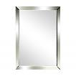 | MIRROR £45 | £1,580.70
CRUSHED DIAMOND COPPER MIRRORED COFFEE TABLE | 5060845214265 | 100X100X47 | 15 | £208.41 | 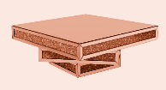 | N/A |  | £3,126.15
CRUSHED DIAMOND COPPER MIRRORERD COFFEE TABLE | 5060845214272 | 45X30X60 35X30X50 30X30X40 | 15 | £122.33 |  |  | EBAY £249.99 | £1,834.95
CRUSHED ROUND DIAMOND COPPER MIRROR | 5060845214289 | 97X97X11 | 5 | £62.91 | 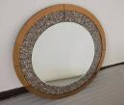 |  | EBAY 89.99 | £314.55
CRUSHED SQUARE DIAMOND COPPER MIRROR | 5060845214296 | 120X80X2 | 5 | £63.63 |  |  | EBAY £80 | £318.15
CRUSHED DIAMOND MIRROR | 5060845214302 | 120X80X2 | 5 | £63.63 |  |  | AMAZON £79.99 | £318.15
PLAIN MIRRORED COPPER CONSOLE TABLE | 5060845214319 | 120X34X80 | 5 | £166.80 |  | N/A |  | £834.00
CRUSHED DIAMOND MIRROED 3 DRAWER BEDSIDE TABLE | 5060845213916 | 44X34X60 | 20 | £74.08 |  | 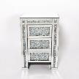 | WAYFAIR 256.99 | £1,481.60
PLAIN MIRRORED 3 DRAWER BEDSIDE CARBINET | 5060845214036 | 45X35X66 | 20 | £75.12 |  | 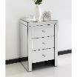 | HOMES DIRECT 365 | £1,502.40
 |  |  | 960

